Example 1
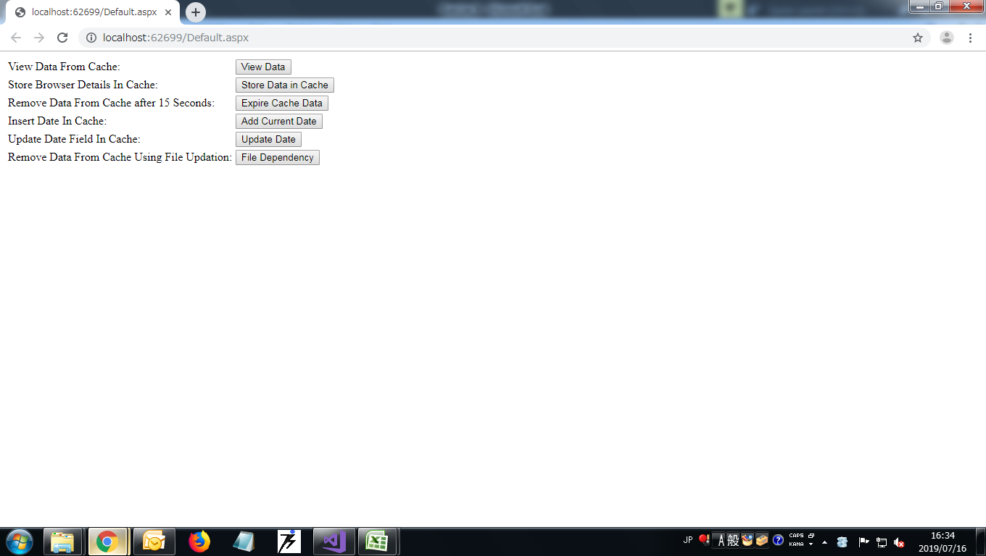
Example 1
Screen Layout 1 | 1

Default.aspx

